plot
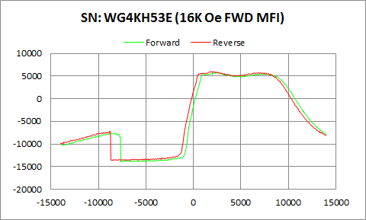

WG4KH53E | Forward |  | Reverse
 | Ampl | Field | Ampl | Field
50% Roll-off Field | -4078.7555 | 12039.701517 | -3815.543 | 11537.071138
P1 Switching Field | -7582.34 | -8200.737 | -7159.335 | -8799.126

Others | 0.32869321681 | 0.32326648541

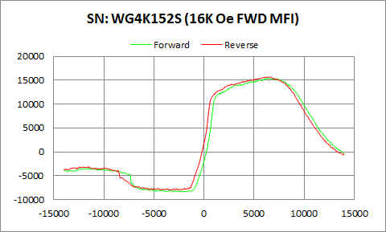

WG4K152S | Forward |  | Reverse
 | Ampl | Field | Ampl | Field
50% Roll-off Field | 3543.159 | 11939.261557 | 3859.295 | 11461.445223
P1 Switching Field | -3333.773 | -11499.75 | -3128.491 | -12100.76

Others | 0.20385013967 | 0.21364262573

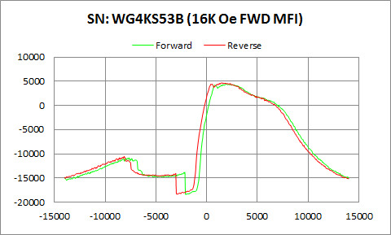

WG4KS53B | Forward |  | Reverse
 | Ampl | Field | Ampl | Field
50% Roll-off Field | -6996.053 | 9412.0854312 | -6843.2385 | 9033.0688608
P1 Switching Field | -10831.4 | -7649.59 | -10525.51 | -8150.872

Others | 0.34311484377 | 0.32932324582

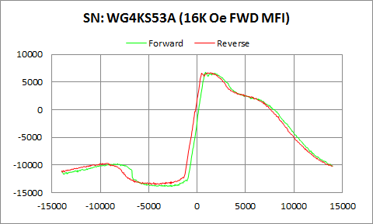

WG4KS53A | Forward |  | Reverse
 | Ampl | Field | Ampl | Field
50% Roll-off Field | -3542.243 | 9685.6111959 | -3416.94 | 9284.4229876
P1 Switching Field | -9730.104 | -8250.604 | -9673.387 | -9250.542

Others | 0.18633833589 | 0.20492423418

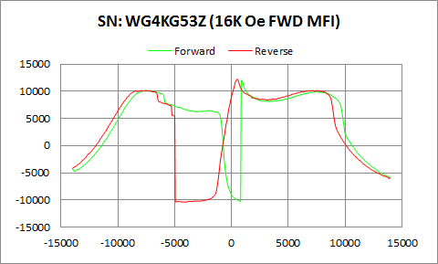

WG4KG53Z | Forward |  | Reverse
 | Ampl | Field | Ampl | Field
50% Roll-off Field | 874.5 | 10341.722521 | 923.77 | 9799.3213632
P1 Switching Field | 10247.66 | -7549.858 | 10165.54 | -7898.918

Others | 0.92370032805 | 0.90474476541

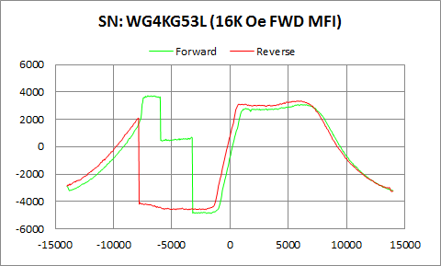

WG4KG53L | Forward |  | Reverse
 | Ampl | Field | Ampl | Field
50% Roll-off Field | -568.0335 | 9906.6329668 | -627.415 | 9785.0538618
P1 Switching Field | 3740.252 | -7051.201 | 2089.276 | -7849.053

Others | 0.77732116407 | 1.0821705627

